Sheet1
Balanced Field Length
Using method in Schaufele "The Elements of Aircraft Preliminary Design" Chapter 16 Example Problem
DC-9 with flaps 15º, spoilers 40º
Modify values in red only. All others are derived.

Gravitation acceleration (ft/sec2) |  |  |  |  | g | 32.2
Airplane takeoff weight (lb) |  |  |  |  | WTO | 100,000
Airplane CL in rolling attitude with t.o. flaps |  |  |  |  | CL | 0.355
Airplane CD in rolling attitude with t.o. flaps |  |  |  |  | CD | 0.0585
Rolling coefficient of friction |  |  |  |  | μR | 0.02
Thrust/engine from engine data
Number of engines |  |  |  |  |  | 2
Reference wing area (ft2) |  |  |  |  | Sref | 1000
Airplane CL in RTO configuration |  |  |  |  | CL | 0
Airplane CD clean (no flaps) |  |  |  |  | CDclean | 0.0200
ΔCD flaps |  |  |  |  | CDflaps | 0.0070
ΔCD spoilers |  |  |  |  | CDspoilers | 0.0500
ΔCD landing gear |  |  |  |  | CDgear | 0.0250
ΔCD leading edge slats |  |  |  |  | CDslats | 0.0060
Airplane CD in RTO configuration |  |  |  |  | CDRTO | 0.1080
Braking coefficient of friction |  |  |  |  | μB | 0.30
Stall speed at G.W. = 100,000 lb, flaps 15o (kt EAS) |  |  |  |  | VS | 110
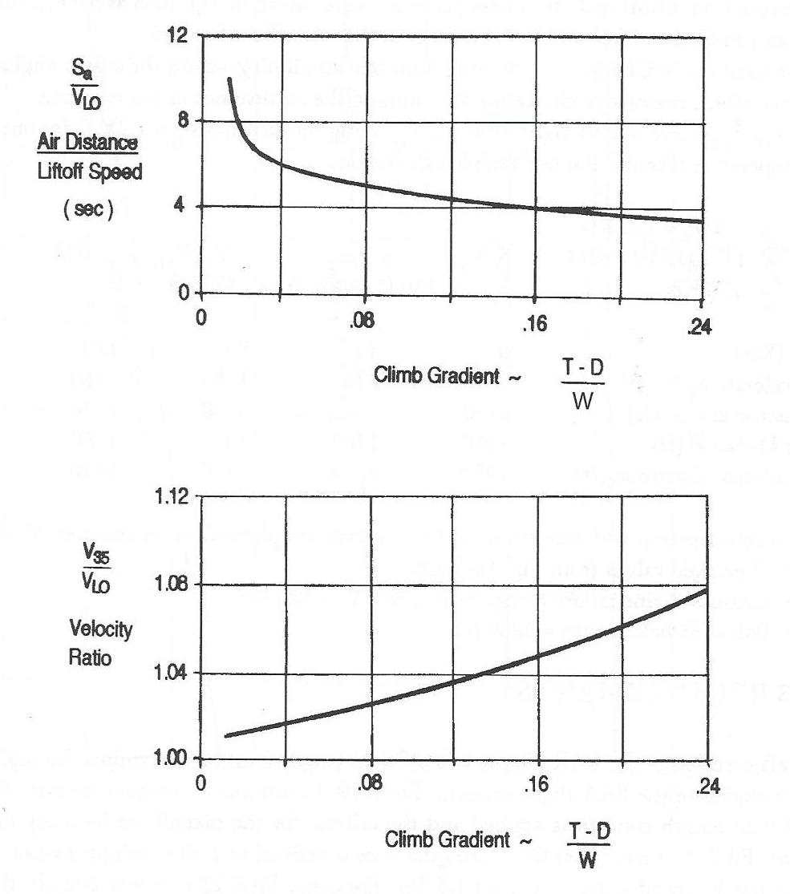
V35 = 1.2 VS (kt) |  |  |  |  | V35 | 132
Required 2nd segment gradient (2 engines) |  |  |  |  | γ2eng | 0.024
Required 2nd segment gradient (3 engines) |  |  |  |  | γ2eng | 0.027
Required 2nd segment gradient (4 engines) |  |  |  |  | γ4eng | 0.030
Required 2nd segment gradient (this airplane) |  |  |  |  | γ2ndseg | 0.024
Sa/VLO (2 engines) (sec) |  |  |  |  |  | 6.800
Sa/VLO (3 engines) (sec) |  |  |  |  |  | 6.650
Sa/VLO (4 engines) (sec) |  |  |  |  |  | 6.500
Sa/VLO (this airplane) |  |  |  |  |  | 6.800
V35/VLO (2 engines) |  |  |  |  |  | 1.012
V35/VLO (3 engines) |  |  |  |  |  | 1.013
V35/VLO (4 engines) |  |  |  |  |  | 1.014
V35/VLO (this airplane) |  |  |  |  |  | 1.012
VLO (kt) |  |  |  |  |  | 130
VLO2 (ft2/sec2) |  |  |  |  |  | 48591
Sa (ft) (distance travelled from liftoff to 35 ft) |  |  |  |  |  | 1,508
1/(2a) at VLO (sec2/ft) (All engines operating) |  |  |  |  |  | 0.080
1/(2a) at VLO (sec2/ft) (One engine inoperative) |  |  |  |  |  | 0.216

Table 2 Acceleration - All engines operating (AEO)
VKTS | 0 | 40 | 80 | 120 | 140
Mach | 0.000 | 0.060 | 0.121 | 0.181 | 0.212
T/eng (lb) | 13,500 | 13,200 | 12,700 | 12,300 | 12,100
Ttotal (lb) | 27,000 | 26,400 | 25,400 | 24,600 | 24,200
CD | 0.0585 | 0.0585 | 0.0585 | 0.0585 | 0.0585
q (lb/ft2) | 0.00 | 5.42 | 21.66 | 48.74 | 66.34
D (lb) | 0 | 317 | 1267 | 2851 | 3881
CL | 0.355 | 0.355 | 0.355 | 0.355 | 0.355
L (lb) | 0 | 1,922 | 7,690 | 17,302 | 23,549
WTO | 100,000 | 100,000 | 100,000 | 100,000 | 100,000
W-L (lb) | 100,000 | 98,078 | 92,310 | 82,698 | 76,451
Takeoff Acceleration - Deceleration Chart
Ff (lb) | 2,000 | 1,962 | 1,846 | 1,654 | 1,529
ΣFrw (lb) | 25,000 | 24,122 | 22,287 | 20,095 | 18,790
a (ft/sec2) | 8.05 | 7.77 | 7.18 | 6.47 | 6.05
1/(2a) (sec2/ft) | 0.0621 | 0.0644 | 0.0697 | 0.0773 | 0.0826
V2 (ft/sec)2 | 0 | 4,558 | 18,231 | 41,021 | 55,834

Table 3 Acceleration - One engine inoperative (OEI)
ΣFrw (lb) OEI | 11,500 | 10,922 | 9,587 | 7,795 | 6,690
a (ft/sec2) | 3.70 | 3.52 | 3.09 | 2.51 | 2.15
1/(2a) (sec2/ft) | 0.135 | 0.142 | 0.162 | 0.199 | 0.232

Table 4 Deceleration - Rejected takeoff (RTO)
CD | 0.1080 | 0.1080 | 0.1080 | 0.1080 | 0.1080
D (lb) | 0 | 585 | 2339 | 5264 | 7164
W-L (lb) | 100,000 | 100,000 | 100,000 | 100,000 | 100,000
Ff (lb) | 30,000 | 30,000 | 30,000 | 30,000 | 30,000
FRW (lb) | 30,000 | 30,585 | 32,339 | 35,264 | 37,164
a (ft/sec2) | -9.66 | -9.85 | -10.41 | -11.35 | -11.97
1/(2a) (sec2/ft) | -0.0518 | -0.0508 | -0.0480 | -0.0440 | -0.0418
V2 (ft/sec)2 | 0 | 4,558 | 18,231 | 41,021 | 55,834

Table 5 Accelerate - Stop Distances
Accel to V1 (ft) | 0 | 288 | 1222 | 3014 | 4464
Stop from V1 (ft) | 0 | 234 | 901 | 1888 | 2396
Accel-stop (ft) | 0 | 522 | 2122 | 4902 | 6860

Table 6 Accelerate - Continue Distances to V35
Accel to V1 (ft) | 0 | 288 | 1222 | 3014 | 4464
Continue to VLOF (ft) | 8537 | 7894 | 5743 | 1432 | -784
Air Distance (ft) | 1,508 | 1,508 | 1,508 | 1,508 | 1,508
Accel-Continue (ft) | 10045 | 9690 | 8473 | 5954 | 5189

